My Dashboard
GROCERY MARKET INSIGHTS
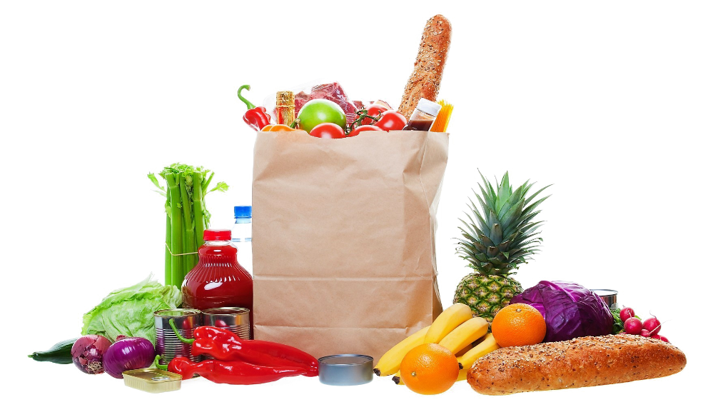

 |  |  |  |  |  |  |  |  |  | $1,029,734.00
 |  |  |  |  |  |  |  |  |  | $4,834.43
 |  |  |  |  |  |  |  |  |  | 213

$1,029,734.00

TOTAL

AVERAGE
ORDER COUNT




$4,834.43
$1,029,734.00
213

Total
 | Total
Fruit | 146
Vegetables | 67
Monthly Trends
 | Total
Jan | $89,663
Feb | $62,762
Mar | $104,566
Apr | $49,474
May | $203,339
Jun | $51,600
Jul | $80,735
Aug | $68,994
Sep | $102,433
Oct | $52,615
Nov | $73,740
Dec | $89,813
Product Sales
 | Total
Banana | $340,295
Apple | $191,257
Cabbage | $142,439
Carrots | $136,945
Orange | $104,438
Beans | $57,281
Mango | $57,079

Category
 | Total
Fruit | $693,069
Vegetables | $336,665
Country Revenue
 | Total
United States | $267,133
United Kingdom | $173,137
Germany | $155,168
France | $141,056
Australia | $131,713
Canada | $94,745
New Zealand | $66,782

Product Revenue per Country
 | Total
United States | $176,971
France | $125,931
Australia | $91,221
United Kingdom | $87,786
Canada | $82,338
Germany | $66,430
New Zealand | $62,392
United States | $90,162
Germany | $88,738
United Kingdom | $85,351
Australia | $40,492
France | $15,125
Canada | $12,407
New Zealand | $4,390

 | Count of Order ID | Column Labels
 | Category | Australia | Canada | France | Germany | New Zealand | United Kingdom | United States | Grand Total
 | Apple | 4 | 6 | 16 | 2 | 2 | 4 | 6 | 40
 | Banana | 10 | 7 | 7 | 9 | 8 | 7 | 23 | 71
 | Beans | 3 |  | 1 | 6 |  | 2 | 1 | 13
 | Cabbage | 2 | 3 | 1 | 8 | 1 | 8 | 4 | 27
 | Carrots | 3 |  | 1 | 6 |  | 7 | 10 | 27
 | Mango | 2 | 1 | 1 | 1 |  | 1 | 5 | 11
 | Orange | 3 | 3 | 1 | 1 | 3 | 5 | 8 | 24
 | Grand Total | 27 | 20 | 28 | 33 | 14 | 34 | 57 | 213

